Capex tracker
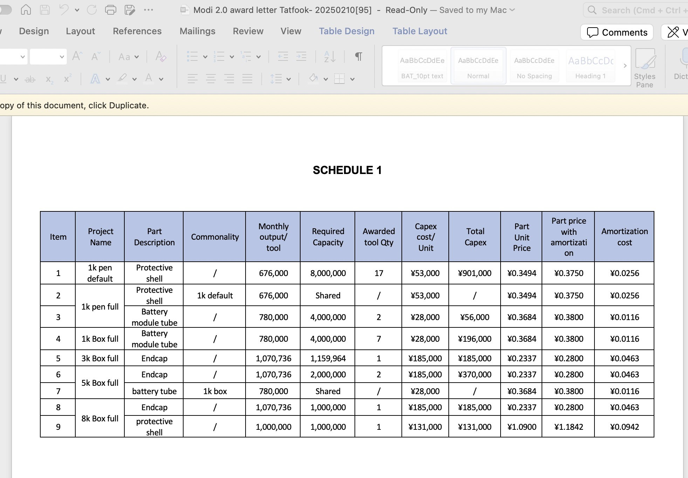
 | Project | Product Category | Part Name | Part No. | Supplier | Year | Month | Stage | Data Submit Date | Cavity | Tooling Capacity Per Month | Total Capacity Per Month | Tooling life | Tool type | Kick off date | Tool Unit cost | Q'ty | Total Tool cost | Requested by Whom | Approval Status | Payment Status | Remark
 | Pen 800 Default 2.0 | MODI | Protective shell | 120040670017654 | Tatfook | 2025 | 2 | DP | 2025-02-27 | 1 | 676,000 | 2,704,000 | 2,000,000 | Hard tool | Aug-24 | 53,000 | 4 | 212,000 | Johnny | Approved | No | first round awarded tooling run out of tooling life, this is 2rd round approved by BAT Johnny
 | Pen 800 Full 2.0 | MODI | Battery module tube | 120040670017660 | Tatfook | 2025 | 2 | DP | 2025-02-27 | 1 | 780,000 | 780,000 | 2,000,000 | Hard tool | Aug-24 | 28,000 | 1 | 28,000 | Johnny | Approved | No | first round awarded tooling run out of tooling life, this is 2rd round approved by BAT Johnny
 | Box 800 Full 2.0 | MODI | Battery tube | 120040670048671 | Tatfook | 2025 | 2 | DP | 2025-02-27 | 1 | 780,000 | 780,000 | 2,000,000 | Hard tool | Aug-24 | 28,000 | 1 | 28,000 | Johnny | Approved | No | first round awarded tooling run out of tooling life, this is 2rd round approved by BAT Johnny
 | Pen 800 Default 2.0 | MODI | Protective shell | 120040670017654 | Tatfook | 2024 | 9 | DP | 2024-10-24 | 1 | 676,000 | 11,492,000 | 2,000,000 | Hard tool | Mar-24 | 53,000 | 17 | 901,000 | chris | Approved | Yes
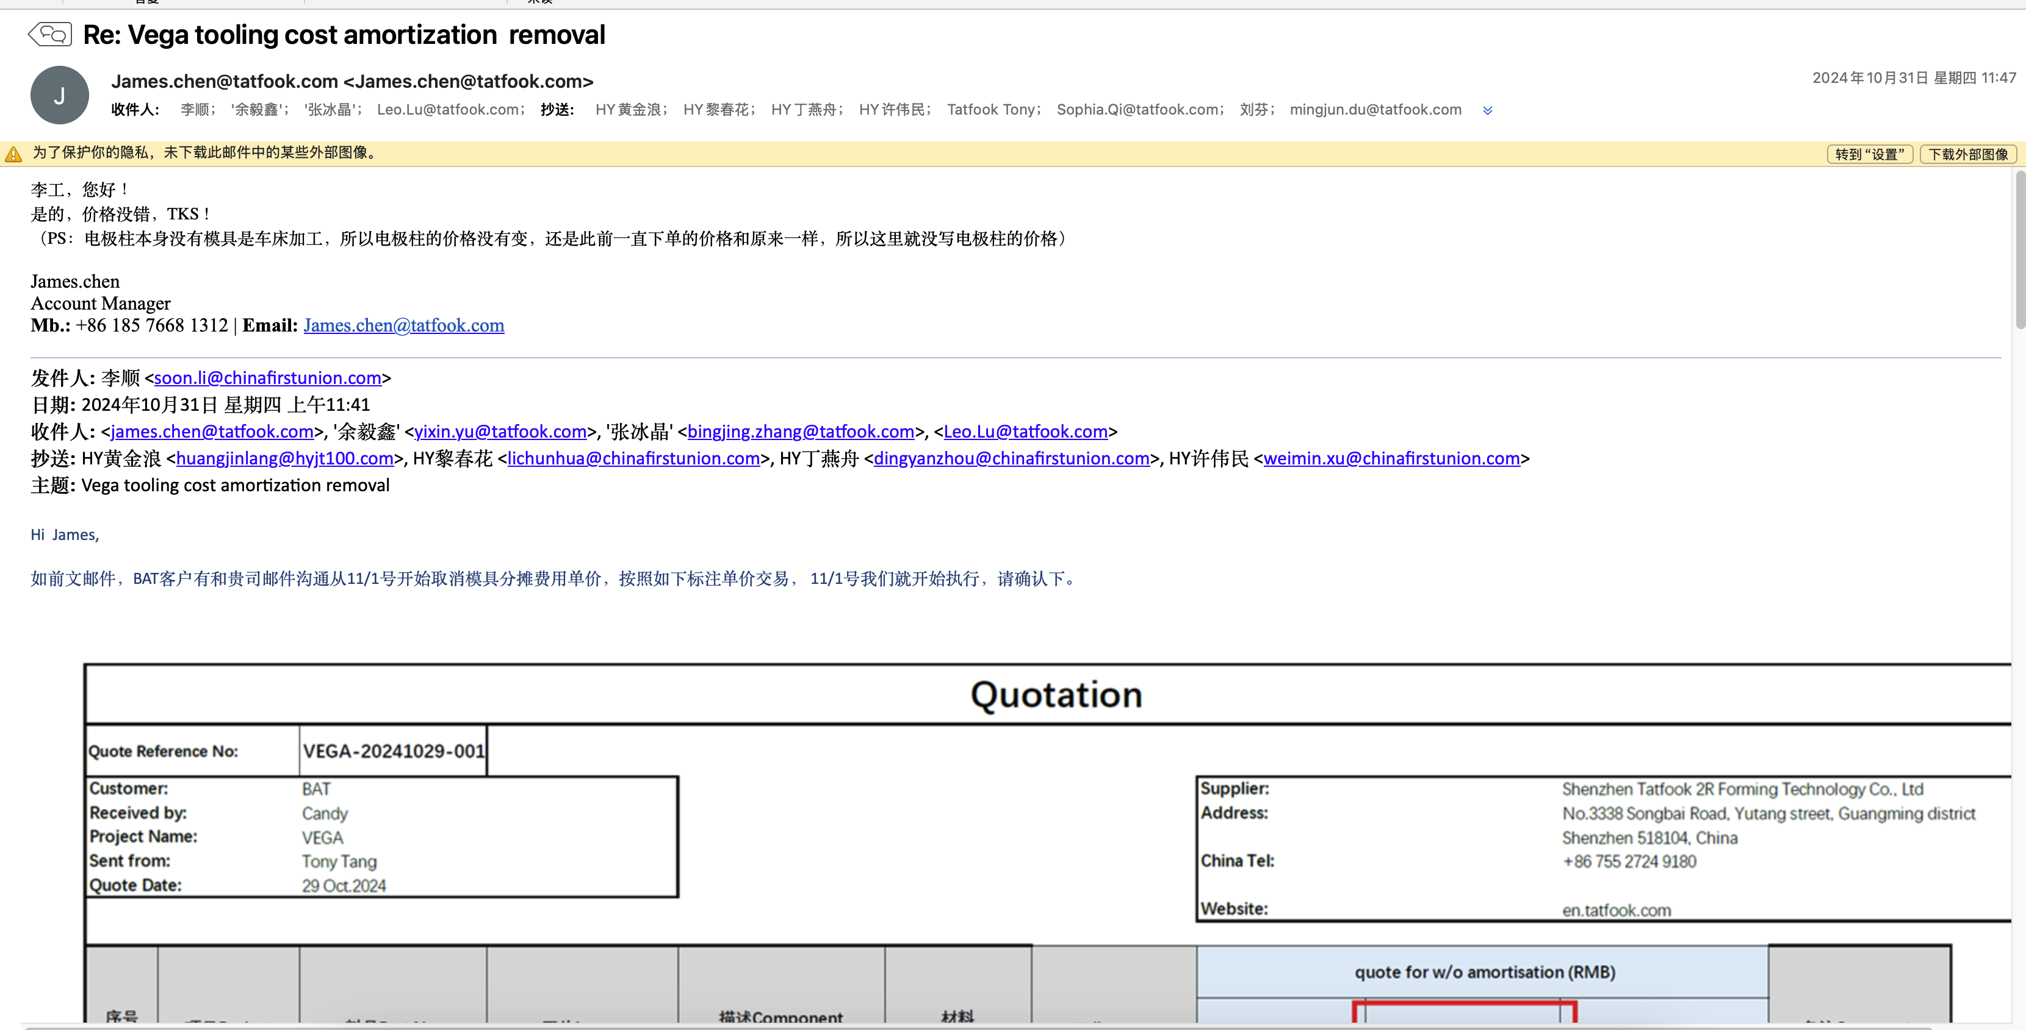
 | Pen 800 Full 2.0 | MODI | Battery module tube | 120040670017660 | Tatfook | 2024 | 9 | DP | 2024-10-24 | 1 | 780,000 | 1,560,000 | 2,000,000 | Hard tool | Feb-24 | 28,000 | 2 | 56,000 | chris | Approved | Yes

 | Box 800 Full 2.0 | MODI | Battery tube | 120040670048671 | Tatfook | 2024 | 9 | DP | 2024-10-24 | 1 | 780,000 | 5,460,000 | 2,000,000 | Hard tool | May-24 | 28,000 | 7 | 196,000 | chris | Approved | Yes
 | Box 3000 Full 2.0 | MODI | Endcap | 120040670023461 | Tatfook | 2024 | 9 | DP | 2024-10-24 | 1 | 1,070,736 | 4,282,944 | 4,000,000 | Hard tool | May-24 | 185,000 | 4 | 740,000 | chris | Approved | No
 | Box 8000 Full 2.0 | MODI | protective shell | 120040670025621 | Tatfook | 2024 | 9 | DP | 2024-10-24 | 1 | 1,000,000 | 1,000,000 | 1,393,617 | Hard tool | Feb-24 | 131,000 | 1 | 131,000 | chris | Approved | No
 | Vega | MODI | Metal Shell | 350493192000 | Tatfook | 2023 | 9 | DP | 2024-10-24 | 1 | 32,085,000 | 1,379,655,000 | 2,000,000 | Hard tool | Apr-23 | 52,500 | 43 | 2,257,500 | Srkanth | Approved | Yes
 | Vega | MODI | Top Bracket Silicone | 320493191000 | Tatfook | 2023 | 9 | DP | 2024-10-24 | 320 | 12,000,000 | 48,000,000 | 200,000 | Hard tool | Apr-23 | 14,840 | 4 | 59,360 | Srkanth | Approved | Yes
 | Vega | MODI | Bottom Bracket Silicone | 320493192000 | Tatfook | 2023 | 9 | DP | 2024-10-24 | 384 | 9,600,000 | 38,400,000 | 200,000 | Hard tool | Apr-23 | 17,490 | 4 | 69,960 | Srkanth | Approved | Yes
 | Vega | MODI | Mic Sensor Silicone | 320493193000 | Tatfook | 2023 | 9 | DP | 2024-10-24 | 320 | 10,000,000 | 40,000,000 | 200,000 | Hard tool | Apr-23 | 20,670 | 4 | 82,680 | Srkanth | Approved | Yes
 | Vega | MODI | slider Silicone | 320493194000 | Tatfook | 2023 | 9 | DP | 2024-10-24 | 768 | 16,000,000 | 32,000,000 | 200,000 | Hard tool | Apr-23 | 13,250 | 2 | 26,500 | Srkanth | Approved | Yes
 | Vega | MODI | Top Silicone Cap | 320493195000 | Tatfook | 2023 | 9 | DP | 2024-10-24 | 672 | 14,000,000 | 28,000,000 | 200,000 | Hard tool | Apr-23 | 13,780 | 2 | 27,560 | Srkanth | Approved | Yes
 | Vega | MODI | Bottom Silicone Cap | 320493196000 | Tatfook | 2023 | 9 | DP | 2024-10-24 | 320 | 10,000,000 | 40,000,000 | 200,000 | Hard tool | Apr-23 | 15,900 | 4 | 63,600 | Srkanth | Approved | Yes
 | X3 Core | HP | SUSCEPTOR_UP_O_RING | 22150203001 | Tatfook | 2023 | 9 | DP | 2024-10-24 | 396 | 3,680,000 | 3,680,000 | 7,000,000 | Hard tool | Oct-23 | 32,000 | 1 | 32,000 | chris | Approved | Yes
 | X3 Core | HP | SUSCEPTOR | 22150201001 | Tatfook | 2023 | 9 | DP | 2024-10-24 | 1 | 936,000 | 936,000 | 2,000,000 | Hard tool | Oct-23 | 1,094,000 | 1 | 1,094,000 | chris | Approved | Yes
 | X3 Core | HP | GND_SPRING_USB | 22150201017 | Tatfook | 2023 | 9 | DP | 2024-10-24 | 1 | 936,000 | 936,000 | 3,500,000 | Hard tool | Oct-23 | 120,000 | 1 | 120,000 | chris | Approved | Yes
 | X3 Core | HP | BOT THIMBLE | 22150201002 | Tatfook | 2023 | 9 | DP | 2024-10-24 | 1 | 275,886 | 275,886 | 3,500,000 | Hard tool | Oct-23 | 67,000 | 1 | 67,000 | chris | Approved | Yes
 | X3 Core | HP | GND_SPRING_MCU | 23480201009 | Tatfook | 2023 | 9 | DP | 2024-10-24 | 1 | 1,134,900 | 1,134,900 | 4,000,000 | Hard tool | Oct-23 | 130,000 | 1 | 130,000 | chris | Approved | Yes
 | X3 Core | HP | THIMBLE_RUBBER | 23480203003 | Tatfook | 2023 | 9 | DP | 2024-10-24 | 256 | 1,095,692 | 1,095,692 | 6,000,000 | Hard tool | Oct-23 | 30,000 | 1 | 30,000 | chris | Approved | Yes
 | X3 Pro | HP | BUTTON_RUBBER | 22150203002 | Tatfook | 2023 | 9 | DP | 2024-10-24 | 252 | 703,768 | 703,768 | 400,000 | Hard tool | Oct-23 | 42,000 | 1 | 42,000 | chris | Approved | Yes
 | X3 Pro | HP | GND_SPRING | 22150201016 | Tatfook | 2023 | 9 | DP | 2024-10-24 | 1 | 1,134,900 | 1,134,900 | 4,000,000 | Hard tool | Oct-23 | 130,000 | 1 | 130,000 | chris | Approved | Yes
 | X3 Pro | HP | THIMBLE_RUBBER | 22150203003 | Tatfook | 2023 | 9 | DP | 2024-10-24 | 480 | 1,241,760 | 1,241,760 | 500,000 | Hard tool | Oct-23 | 40,000 | 1 | 40,000 | chris | Approved | Yes
X2 AIR | X2 AIR | HP | SUSCEPTOR | 350052144000 | Tatfook | 2023 | 3 | DP | 2024-10-24 | 1 | 288,000 | 288,000 | 2,000,000 | Hard tool | Jan-23 | 53,175 | 1 | 53,175 | Srkanth | Approved | No | ¥53,175
 | ePod 3 | RCS POD | TF1606A-Main silicone | 140020344002986 | Tatfook | 2023 | 3 | DP | 2024-10-24 | 220 | 1,315,236 | 1,315,236 | 44,000,000 | Hard tool | Mar-23 | 40,000 | 1 | 40,000 | SN | Approved | No
 | ePod 3 | RCS POD | TF1606A MEMS sensor silicone | 140020344002987 | Tatfook | 2023 | 3 | DP | 2024-10-24 | 450 | 2,978,508 | 2,978,508 | 90,000,000 | Hard tool | Mar-23 | 40,000 | 1 | 40,000 | SN | Approved | No
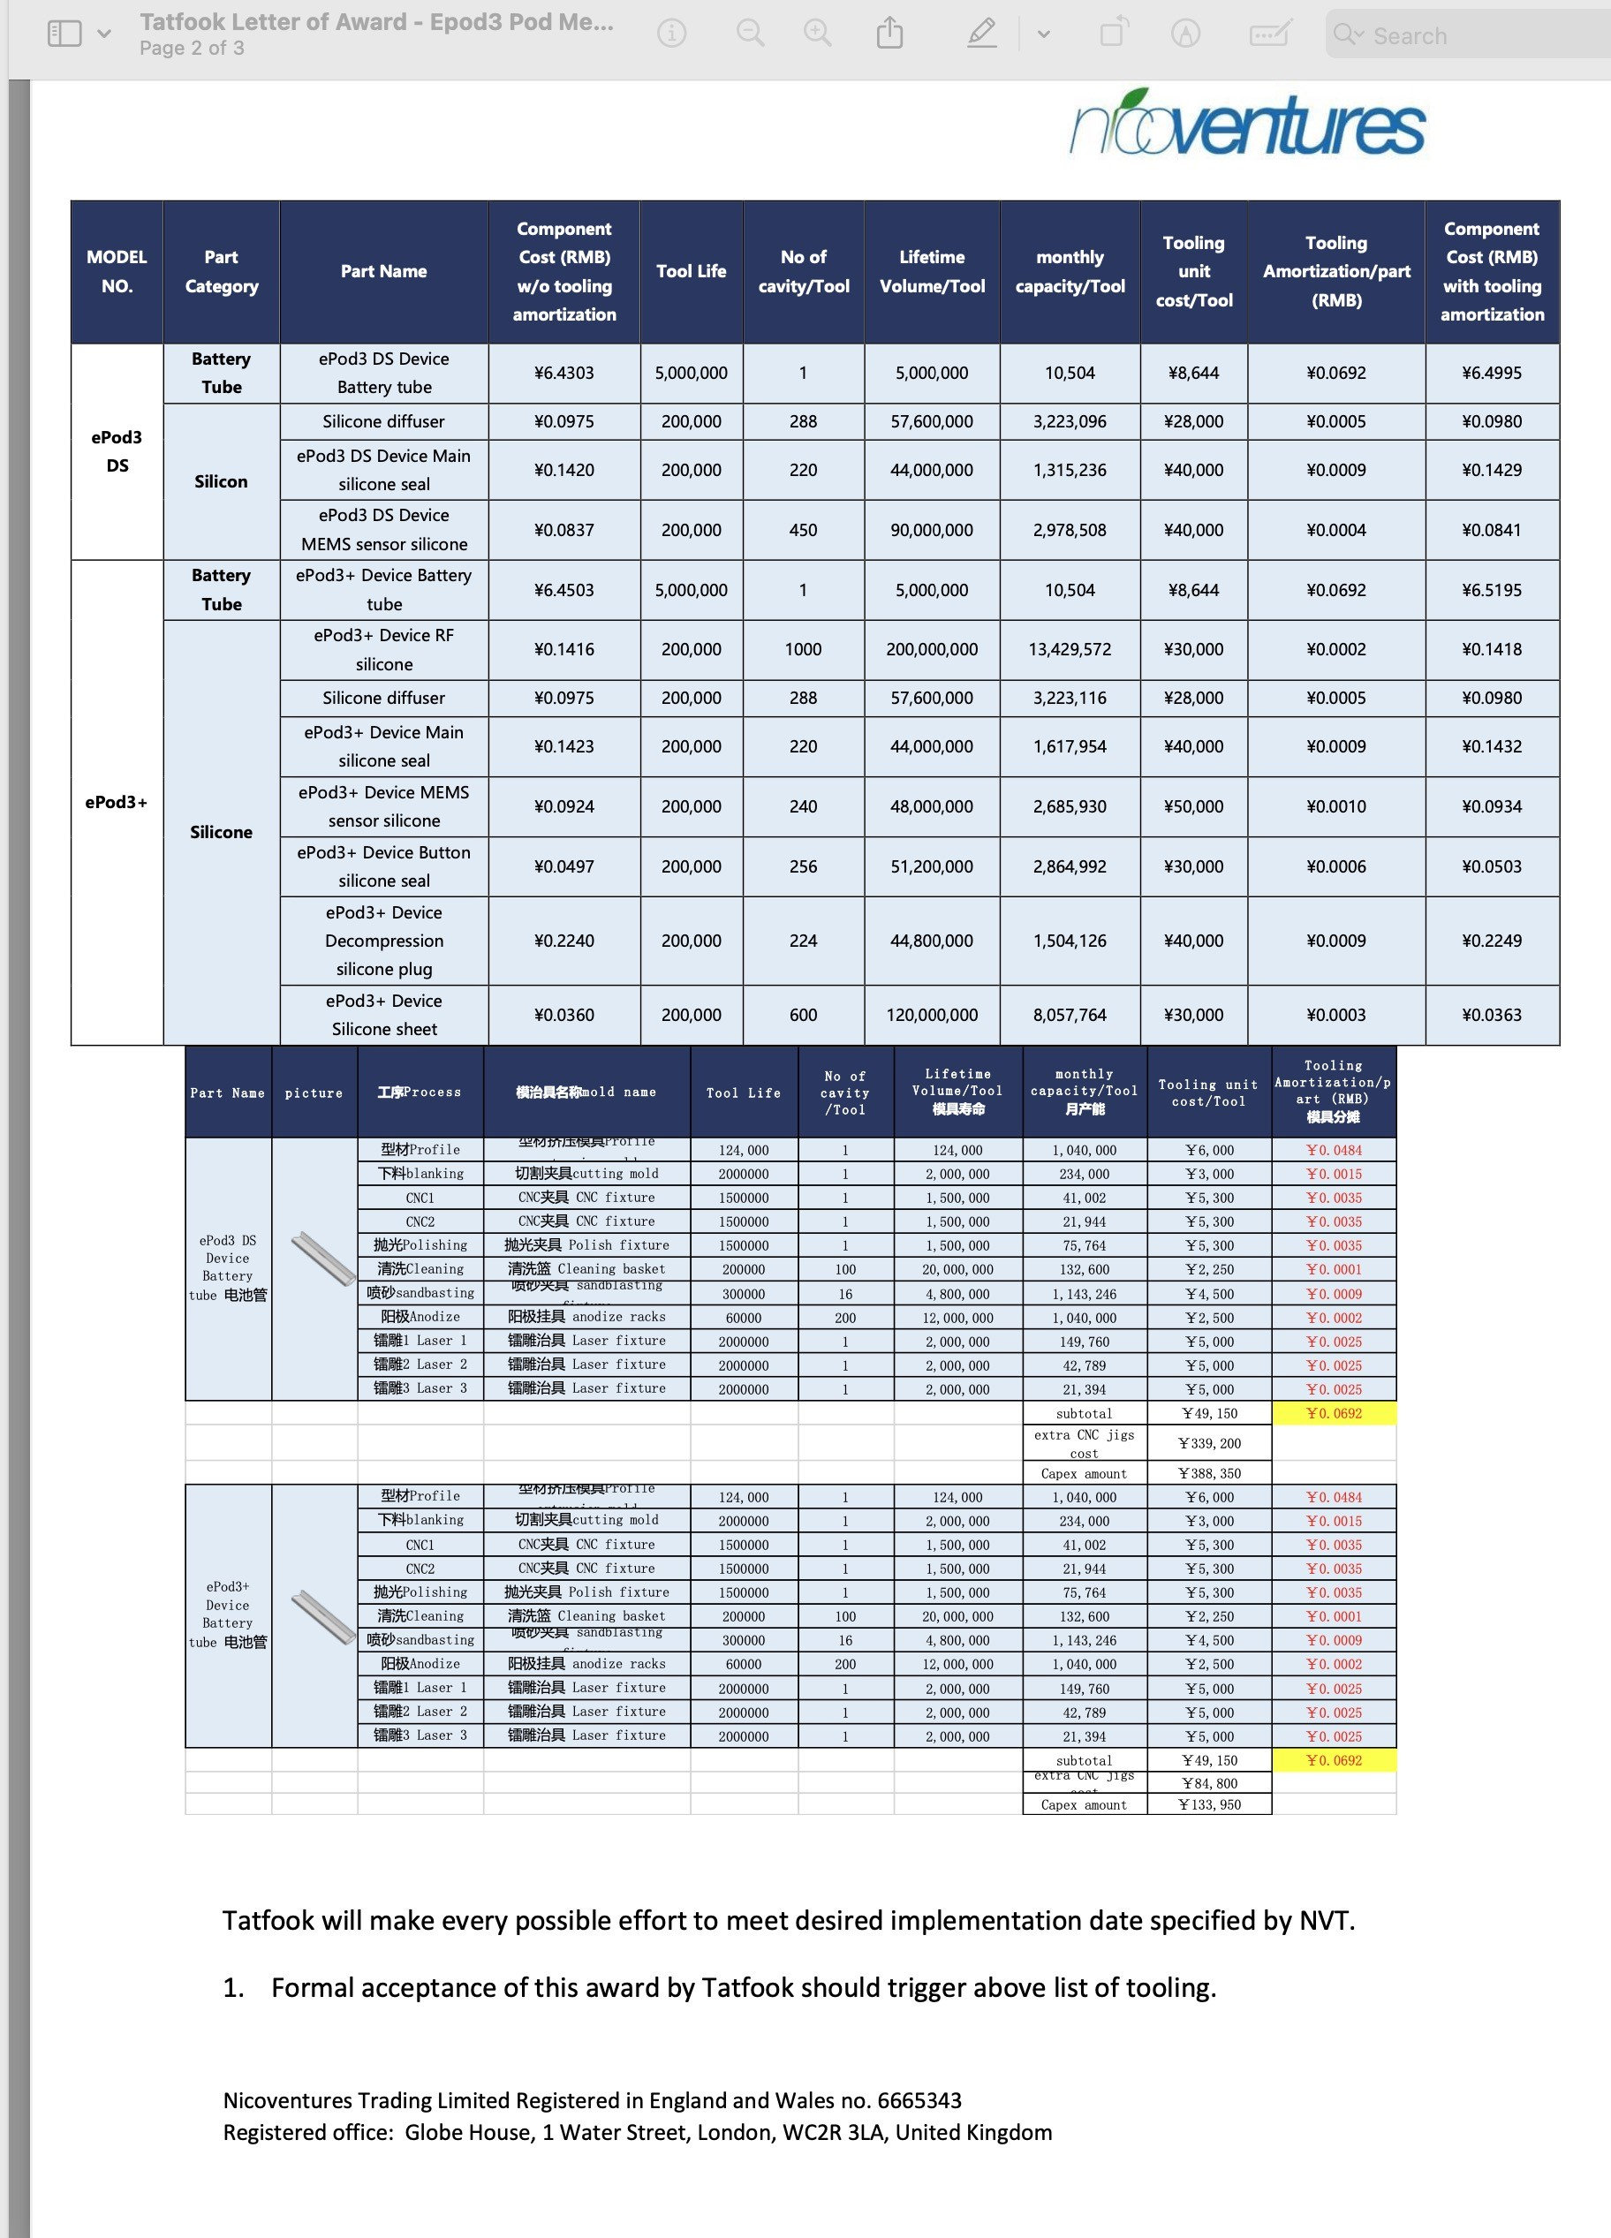
 | ePod 3 | RCS POD | TF1606A ePod3 Descope(TF1606A)-sleeve | 120020247001971 | Tatfook | 2023 | 4 | DP | 2024-10-24 | 1 | 21,944 | 21,944 | 1,500,000 | Hard tool | Mar-23 | 388,350 | 1 | 388,350 | SN | Approved | No
 | ePod 3+ | RCS DEVICE | TF1604A ePod3+ TF1604A-Sleeve | 120020247001751 | Tatfook | 2023 | 4 | DP | 2024-10-24 | 1 | 21,944 | 21,944 | 1,500,000 | Hard tool | Apr-23 | 133,950 | 1 | 133,950 | SN | Approved | No
 | ePod 3+ | RCS DEVICE | TF1604A RF silicone | 140020344001888 | Tatfook | 2023 | 4 | DP | 2024-10-24 | 1000 | 13,429,572 | 13,429,572 | 200,000,000 | Hard tool | Apr-23 | 30,000 | 1 | 30,000 | SN | Approved | No
 | ePod 3+ | RCS DEVICE | TF1604A Silicone diffuser | 140020344002747 | Tatfook | 2023 | 2 | DP | 2024-10-24 | 288 | 3,223,116 | 3,223,116 | 57,600,000 | Hard tool | Feb-23 | 28,000 | 1 | 28,000 | SN | Approved | No
 | ePod 3+ | RCS DEVICE | TF1604A Main silicone seal | 140020344002748 | Tatfook | 2023 | 4 | DP | 2024-10-24 | 220 | 1,617,954 | 1,617,954 | 44,000,000 | Hard tool | Apr-23 | 40,000 | 1 | 40,000 | SN | Approved | No
 | ePod 3+ | RCS DEVICE | TF1604A MEMS sensor silicone | 140020344002774 | Tatfook | 2023 | 4 | DP | 2024-10-24 | 240 | 2,685,930 | 2,685,930 | 48,000,000 | Hard tool | Apr-23 | 50,000 | 1 | 50,000 | SN | Approved | No
 | ePod 3+ | RCS DEVICE | TF1604A Button silicone seal | 140020344002750 | Tatfook | 2023 | 4 | DP | 2024-10-24 | 256 | 2,864,992 | 2,864,992 | 51,200,000 | Hard tool | Apr-23 | 30,000 | 1 | 30,000 | SN | Approved | No
 | ePod 3+ | RCS DEVICE | TF1604A compression silicone plug | 140020344002751 | Tatfook | 2023 | 4 | DP | 2024-10-24 | 224 | 1,504,126 | 1,504,126 | 44,800,000 | Hard tool | Apr-23 | 40,000 | 1 | 40,000 | SN | Approved | No
 | ePod 3+ | RCS DEVICE | TF1604A Silicone sheet | 14002014020018X | Tatfook | 2023 | 4 | DP | 2024-10-24 | 600 | 8,057,764 | 8,057,764 | 120,000,000 | Hard tool | Apr-23 | 30,000 | 1 | 30,000 | SN | Approved | No
 | ePod 3+ | RCS DEVICE | TF1605A-Metal Endcap | 120010221000100 | Tatfook | 2023 | 4 | DP | 2024-10-24 | 1 | 1,798,030 | 7,192,120 | 4,000,000 | Hard tool | Apr-23 | 185,000 | 4 | 260,821 | SN | Approved | Yes | The remaining capex（¥479179） was was transferred to hestia, cell S42 updated and amount reduced
 | Hestia 1.0 | RCS POD | Endcap | 120040670020900 | Tatfook | 2024 | 3 | DP | 2024-10-24 | 1 | 1,798,030 | 3,596,060 | 5,000,000 | Hard tool | Mar-24 | 185,000 | 2 | 849,719 | Chris | Approved | Yes | 2 are new, 4 are modified from epod3, total 6 tools, also capex carried over and added to cell S43
 | Hestia 1.0 | RCS POD | Endcap | 120040670020900 | Tatfook | 2024 | 3 | DP | 2024-10-24 | 1 | 1,798,030 | 10,788,180 | 5,000,000 | Hard tool | Jun-24 | 57,079 | 6 | 342,474 | Chris | Approved | Yes | additional tool inserts per produce 30 million products
 | Hestia 1.0 | RCS POD | Endcap | 120040670020900 | Tatfook | 2024 | 3 | DP | 2024-10-24 | 1 | 1,798,030 | 10,788,180 | 5,000,000 | Hard tool | Dec-24 | 57,079 | 6 | 342,474 | Chris | Approved | Yes |  | 120000000
 | Hestia 1.0 | RCS POD | Endcap | 120040670020900 | Tatfook | 2024 | 3 | DP | 2024-10-24 | 1 | 1,798,030 | 10,788,180 | 5,000,000 | Hard tool | Oct-24 | 57,079 | 6 | 342,474 | Chris | Approved | No
 | KUMA E-Box NZ | RCS DEVICE | POD silicone bung bottom | 140040670006924 | Tatfook | 2024 | 3 | DP | 2024-10-24 | 384 | 3,234,816 | 3,234,816 | 76,800,000 | Hard tool | Mar-24 | 28,000 | 1 | 28,000 | Chris | Approved | Yes
 | KUMA E-Box NZ | RCS DEVICE | Main silicone seal | 140040670021264 | Tatfook | 2024 | 3 | DP | 2024-10-24 | 264 | 25,750,992 | 25,750,992 | 52,800,000 | Hard tool | Mar-24 | 11,000 | 1 | 11,000 | Chris | Approved | Yes
 | KUMA E-Box NZ | RCS DEVICE | Airflow sensor silicone | 140040670021265 | Tatfook | 2024 | 3 | DP | 2024-10-24 | 324 | 2,859,350 | 2,859,350 | 64,800,000 | Hard tool | Mar-24 | 13,500 | 1 | 13,500 | Chris | Approved | Yes
 | KUMA E-Box NZ | RCS DEVICE | Key button silicone | 140040670021269 | Tatfook | 2024 | 3 | DP | 2024-10-24 | 612 | 5,671,042 | 5,671,042 | 122,400,000 | Hard tool | Mar-24 | 9,000 | 1 | 9,000 | Chris | Approved | Yes
 | DP1500 | MODI | DP1500-Heating holder silicone | 140040353003912 | Tatfook | 2022 | 10 | DP | 2024-10-24 | 144 | 1,591,200 | 1,591,200 | 28,800,000 | Hard tool | Oct-22 | 9,300 | 1 | 9,300 | SN | Approved | No
 | DP1500 | MODI | DP1500-PTC--Airflow silicone | 140040660001513 | Tatfook | 2022 | 10 | DP | 2024-10-24 | 156 | 1,723,800 | 1,723,800 | 31,200,000 | Hard tool | Oct-22 | 43,238 | 1 | 43,238 | SN | Approved | No
 | DP1500 | MODI | DP1500-Silicone cover | 140040344002995 | Tatfook | 2022 | 10 | DP | 2024-10-24 | 156 | 2,051,452 | 4,102,904 | 31,200,000 | Hard tool | Oct-22 | 18,550 | 2 | 37,100 | SN | Approved | No
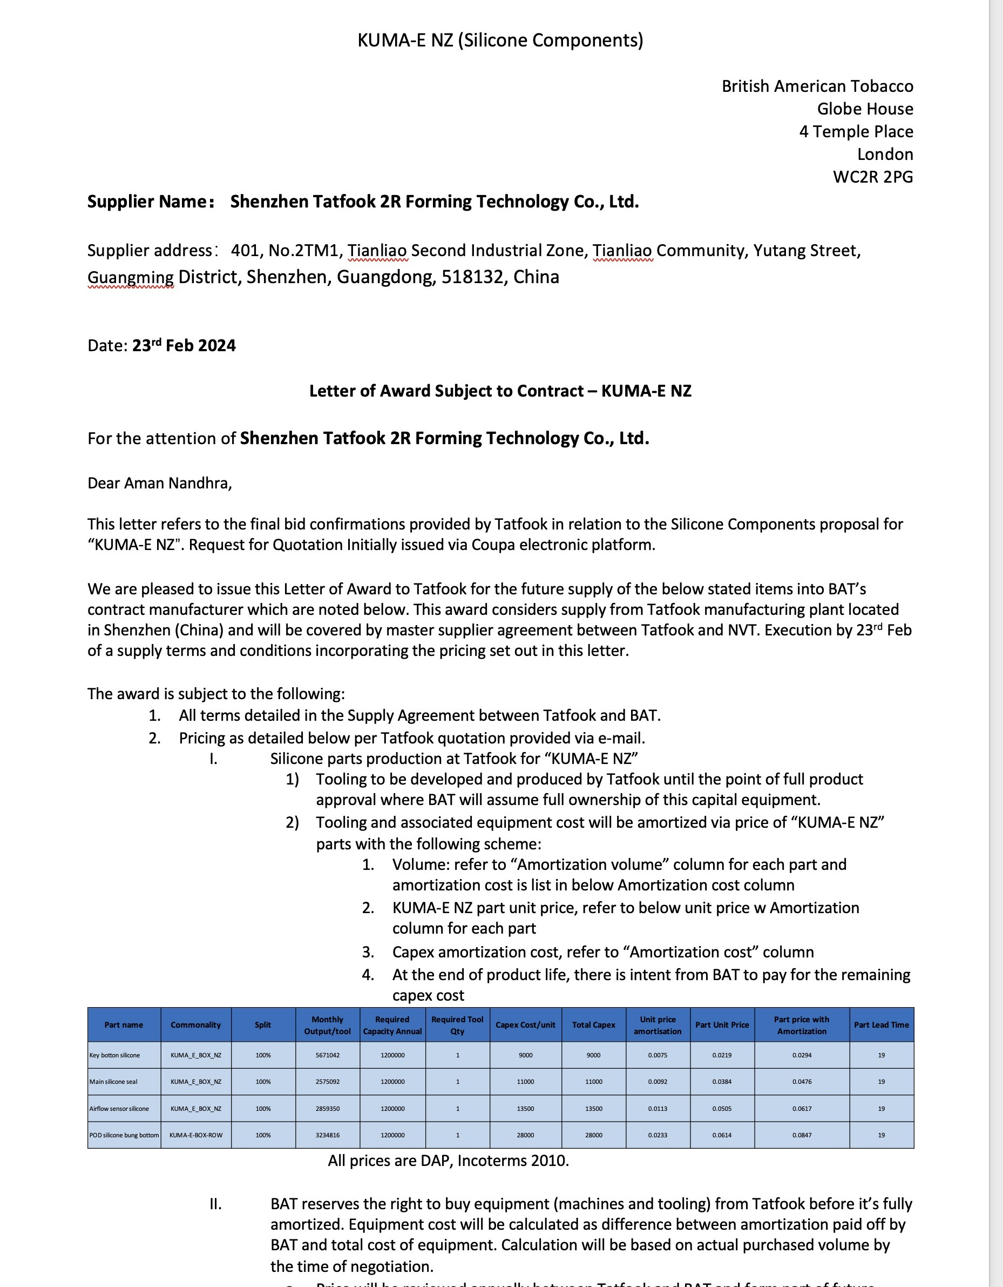
 | DP1500 | MODI | DP1500-T-shaped plug | 140040344002993 | Tatfook | 2022 | 10 | DP | 2024-10-24 | 420 | 4,641,000 | 4,641,000 | 84,000,000 | Hard tool | Oct-22 | 9,000 | 1 | 9,000 | SN | Approved | No
 | DP1500 | MODI | DP1500-U-shaped plug | 140040344002994 | Tatfook | 2024 | 10 | DP | 2024-10-24 | 144 | 2,695,680 | 2,695,680 | 28,800,000 | Hard tool | Oct-22 | 6,700 | 1 | 6,700 | SN | Approved | No
 | MIMOSA 1.0 | RCS DEVICE | Battery Thimble | / | Tatfook | 2024 | 2 | POC | 2024-10-24 | 1 | 1,290,796 | 1,290,796 | 4,000,000 | Soft tool | Feb-24 | 29,000 | 1 | 29,000 | Chris | Approved | Yes
 | Clyde RCS DEVICE | MODI | Housing | 230000460201001 | Tatfook | 2024 | 3 | POC | 2024-10-24 | 1 | 497,016 | 497,016 | 2,000,000 | Soft tool | Mar-24 | 43,000 | 1 | 43,000 | Chris | Approved | Yes
 | Clyde POD | RCS POD | Cartridge pole1 | 230000960201003 | Tatfook | 2024 | 3 | POC | 2024-10-24 | 1 | 655,642 | 655,642 | 3,000,000 | Soft tool | Mar-24 | 43,000 | 1 | 43,000 | Chris | Approved | Yes
 | Clyde POD | RCS POD | Cartridge pole2 | 230000960201004 | Tatfook | 2024 | 3 | POC | 2024-10-24 | 1 | 655,642 | 655,642 | 3,000,000 | Soft tool | Mar-24 | 43,000 | 1 | 43,000 | Chris | Approved | Yes
 | Clyde RCS DEVICE | MODI | Housing | 230000460201001 | Tatfook | 2024 | 7 | POC | 2024-10-24 | 1 | 230,490 | 230,490 | 5,000,000 | Soft tool | Jul-24 | 23,000 | 1 | 23,000 | Chris | Approved | No
 | Clyde POD | RCS POD | Cartridge pole1 | 230000960201003 | Tatfook | 2024 | 7 | POC | 2024-10-24 | 1 | 655,642 | 655,642 | 3,000,000 | Soft tool EC | Jul-24 | 2,655 | 1 | 2,655 | Chris | Approved | No
 | Clyde POD | RCS POD | Cartridge pole2 | 230000960201004 | Tatfook | 2024 | 7 | POC | 2024-10-24 | 1 | 655,642 | 655,642 | 3,000,000 | Soft tool EC | Jul-24 | 2,655 | 1 | 2,655 | Chris | Approved | No
 | Bacchus | HP | SUSCEPTOR_SEAL_BOT | 24100203003 | Tatfook | 2024 | 4 | POC | 2024-10-24 | 10 | 62,400 | 62,400 | 50,000 | Soft tool | Apr-24 | 14,000 | 1 | 14,000 | Chris | Approved | Yes
 | Bacchus | HP | SUSCEPTOR_UP_SEAL_RUBBER | 24100203001 | Tatfook | 2024 | 4 | POC | 2024-10-24 | 10 | 62,400 | 62,400 | 50,000 | Soft tool | Apr-24 | 11,000 | 1 | 11,000 | Chris | Approved | Yes
 | Bacchus | HP | THIMBLE_UP_SEAL_RUBBER | 24100203004 | Tatfook | 2024 | 4 | POC | 2024-10-24 | 16 | 62,400 | 62,400 | 80,000 | Soft tool | Apr-24 | 12,000 | 1 | 12,000 | Chris | Approved | Yes
 | Bacchus | HP | BOTTOM_SUPPORT_SEAL_RUBBER | 24100203005 | Tatfook | 2024 | 4 | POC | 2024-10-24 | 30 | 99,840 | 99,840 | 150,000 | Soft tool | Apr-24 | 13,500 | 1 | 13,500 | Chris | Approved | Yes
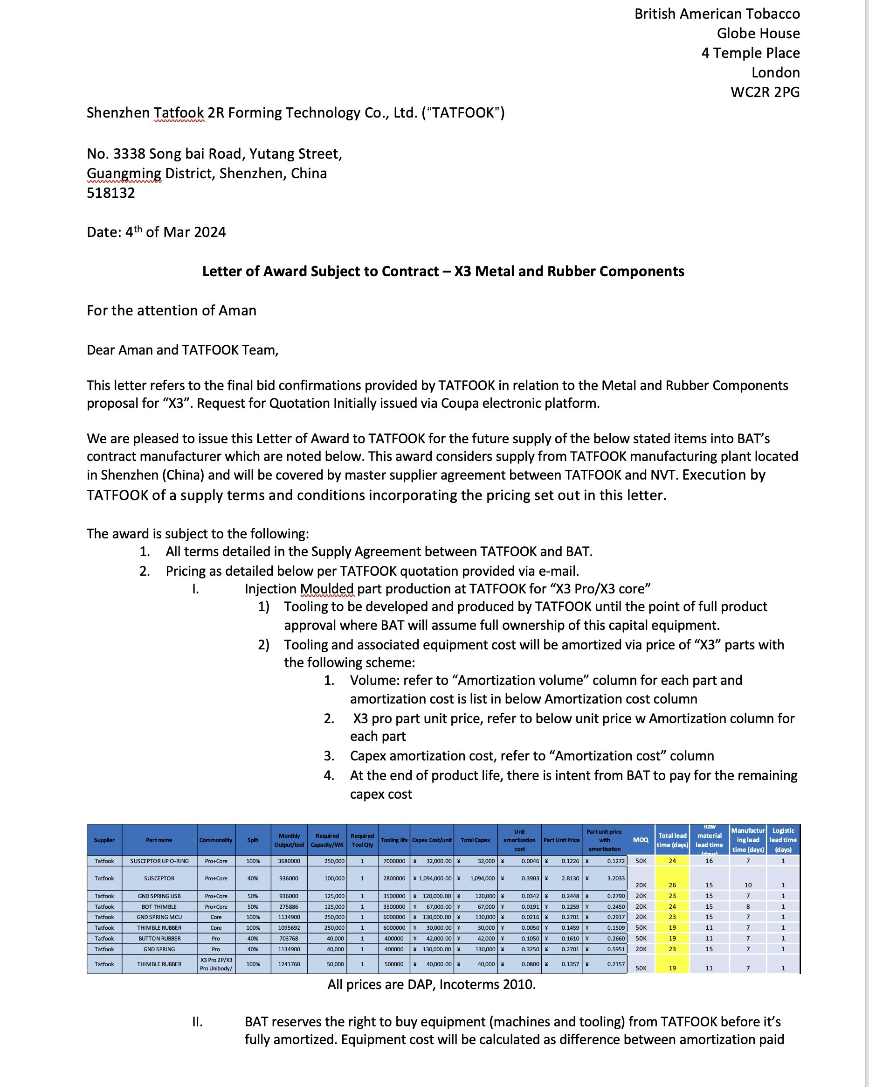
 | Bacchus | HP | Bacchus_retention_feature | 24100203002 | Tatfook | 2024 | 4 | POC | 2024-10-24 | 15 | 93,600 | 93,600 | 25,000 | Soft tool | Apr-24 | 12,000 | 1 | 12,000 | Chris | Approved | Yes
 | Artemis 2P | HP | HEAT_TRANSFERRING_TUBE | 610201004 | Tatfook | 2024 | 6 | POA | 2024-10-24 | 1 | 312,000 | 312,000 | 1,000,000 | Soft tool | Jun-24 | 155,000 | 1 | 155,000 | Chris | Approved | No
 | Artemis 2P | HP | SLIDER BRACKET | 620201006 | Tatfook | 2024 | 6 | POA | 2024-10-24 | 6 | 9,649 | 9,649 | 500,000 | Soft tool | Jun-24 | 18,000 | 1 | 18,000 | Chris | Approved | No
 | Artemis 2P | HP | SLIDER_RAIL_MIM | 620201004 | Tatfook | 2024 | 6 | POA | 2024-10-24 | 8 | 332,800 | 332,800 | 1,000,000 | Soft tool | Jun-24 | 63,000 | 1 | 63,000 | Chris | Approved | No
 | Artemis 2P | HP | MAIN_CHASISS | 600202009 | Tatfook | 2024 | 6 | POA | 2024-10-24 | 1 | 31,200 | 31,200 | 500,000 | Soft tool | Jun-24 | 294,000 | 1 | 294,000 | Chris | Approved | No
 | Artemis 1P | HP | SLIDER BRACKET | 600201001 | Tatfook | 2024 | 6 | POA | 2024-10-24 | 20 | 11,773 | 11,773 | 500,000 | Soft tool | Jun-24 | 18,000 | 1 | 18,000 | Chris | Approved | No
 | Artemis 1P | HP | TOP_COVER | 600201002 | Tatfook | 2024 | 6 | POA | 2024-10-24 | 6 | 9,422 | 9,422 | 500,000 | Soft tool | Jun-24 | 44,000 | 1 | 44,000 | Chris | Approved | No
 | Artemis 1P | HP | HOUSING | 600201003 | Tatfook | 2024 | 6 | POA | 2024-10-24 | 1 | 2,250 | 2,250 | 500,000 | Soft tool | Jun-24 | 255,500 | 1 | 255,500 | Chris | Approved | No
 | Pen 800 Default 2.0 | MODI | Protective shell | AC208CSA-01-002 | Tatfook | 2023 | 11 | POA | 2024-10-24 | 1 | 120,000 | 120,000 | 500,000 | soft tool | Nov-23 | 23,000 | 1 | 23,000 | Chris | Approved | No | the bule price corrected into excl-VAT, the last version was with incl-VAT which was wrong. 22 0ct 2024
 | Pen 800 Default 2.0 | MODI | Protective shell | AC208CSA-01-002 | Tatfook | 2023 | 11 | POA | 2024-10-24 | 1 | 120,000 | 120,000 | 500,000 | soft tool | Nov-23 | 53,000 | 1 | 53,000 | Chris | Approved | No
 | Pen 800 Full 2.0 | MODI | Battery module tube | AC208CSA-F-01-001 | Tatfook | 2023 | 9 | POA | 2024-10-24 | 1 | 46,800 | 46,800 | 450,000 | soft tool | Sep-23 | 23,000 | 1 | 23,000 | Chris | Approved | No
 | Pen 800 Full 2.0 | MODI | Connect tube | AC208CSA-01-006 | Tatfook | 2023 | 9 | POA | 2024-10-24 | 1 | 83,200 | 83,200 | 450,000 | soft tool | Sep-23 | 93,000 | 1 | 93,000 | Chris | Approved | No
 | Pen 800 Full 2.0 | MODI | Battery module tube | AB208CSA-F-01-003 | Tatfook | 2023 | 11 | POA | 2024-10-24 | 1 | 46,800 | 46,800 | 450,000 | soft tool | Nov-23 | 15,000 | 1 | 15,000 | Chris | Approved | No
 | Pen 800 Default 2.0 | MODI | Protective shell | AC208CSA-01-002 | Tatfook | 2023 | 12 | POA | 2024-10-24 | 1 | 120,000 | 120,000 | 500,000 | soft tool | Dec-23 | 35,000 | 1 | 35,000 | Chris | Approved | No
 | Pen 800 Default 2.0 | MODI | Square thimble | AB208CSA-01-002 | Tatfook | 2023 | 11 | POA | 2024-10-24 | 1 | 67,600 | 67,600 | 300,000 | soft tool | Nov-23 | 45,000 | 1 | 45,000 | Chris | Approved | No
 | Pen 800 Default 2.0 | MODI | Square thimble | AC208CSA-01-002 | Tatfook | 2023 | 9 | POA | 2024-10-24 | 1 | 67,600 | 67,600 | 300,000 | soft tool | Sep-23 | 45,000 | 1 | 45,000 | Chris | Approved | No
 | Pen 800 Default 2.0 | MODI | Square thimble | AC208CSA-01-003 | Tatfook | 2023 | 9 | POA | 2024-10-24 | 1 | 67,600 | 67,600 | 300,000 | soft tool | Sep-23 | 45,000 | 1 | 45,000 | Chris | Approved | No
 | Pen 800 Default 2.0 | MODI | Square thimble | AB208CSA-01-002 | Tatfook | 2023 | 9 | POA | 2024-10-24 | 1 | 67,600 | 67,600 | 300,000 | soft tool | Sep-23 | 45,000 | 1 | 45,000 | Chris | Approved | No
 | Box 3000 Full 2.0 | MODI | Endcap | AB808CSA-01-002 | Tatfook | 2023 | 11 | POA | 2024-10-24 | 1 | 142,000 | 142,000 | 450,000 | soft tool | Nov-23 | 185,000 | 1 | 185,000 | Chris | Approved | No
 | Box 5000 Full 2.0 | MODI | battery silicone | AB1008CSA-03-003 | Tatfook | 2023 | 10 | POA | 2024-10-24 | 20 | 79,560 | 79,560 | 250,000 | soft tool | Oct-23 | 8,800 | 1 | 8,800 | Chris | Approved | No
 | Box 5000 Full 2.0 | MODI | silicone-seal1 | AB808CSA-03-001 | Tatfook | 2023 | 10 | POA | 2024-10-24 | 20 | 79,560 | 79,560 | 250,000 | soft tool | Oct-23 | 8,800 | 1 | 8,800 | Chris | Approved | No
 | Box 5000 Full 2.0 | MODI | Disffuser-silicone | AB808CSA-03-004 | Tatfook | 2023 | 10 | POA | 2024-10-24 | 20 | 79,560 | 79,560 | 250,000 | soft tool | Oct-23 | 8,800 | 1 | 8,800 | Chris | Approved | No
 | Box 5000 Full 2.0 | MODI | bottom-block-silicone | AB808CSA-03-005 | Tatfook | 2023 | 10 | POA | 2024-10-24 | 20 | 79,560 | 79,560 | 250,000 | soft tool | Oct-23 | 8,800 | 1 | 8,800 | Chris | Approved | No
 | Box 5000 Full 2.0 | MODI | airflow-silicone | AB808CSA-03-002 | Tatfook | 2023 | 10 | POA | 2024-10-24 | 20 | 79,560 | 79,560 | 250,000 | soft tool | Oct-23 | 12,300 | 1 | 12,300 | Chris | Approved | No
 | Box 5000 Full 2.0 | MODI | airflow-silicone | AB808CSA-03-002 | Tatfook | 2023 | 9 | POA | 2024-10-24 | 20 | 79,560 | 79,560 | 250,000 | soft tool | Dec-23 | 6,000 | 1 | 6,000 | Chris | Approved | No
 | Box 5000 Full 2.0 | MODI | silicone-seal1 | AB808CSA-03-001 | Tatfook | 2023 | 9 | POA | 2024-10-24 | 20 | 79,560 | 79,560 | 250,000 | soft tool | Dec-23 | 6,000 | 1 | 6,000 | Chris | Approved | No
 | X3 Core | HP | BUTTON_RUBBER | 23480203002 | Tatfook | 2023 | 9 | POA | 2024-10-24 | 12 | 41,472 | 41,472 | 120,000 | soft tool | Jun-23 | 7,500 | 1 | 7,350 | Chris | Approved | Yes
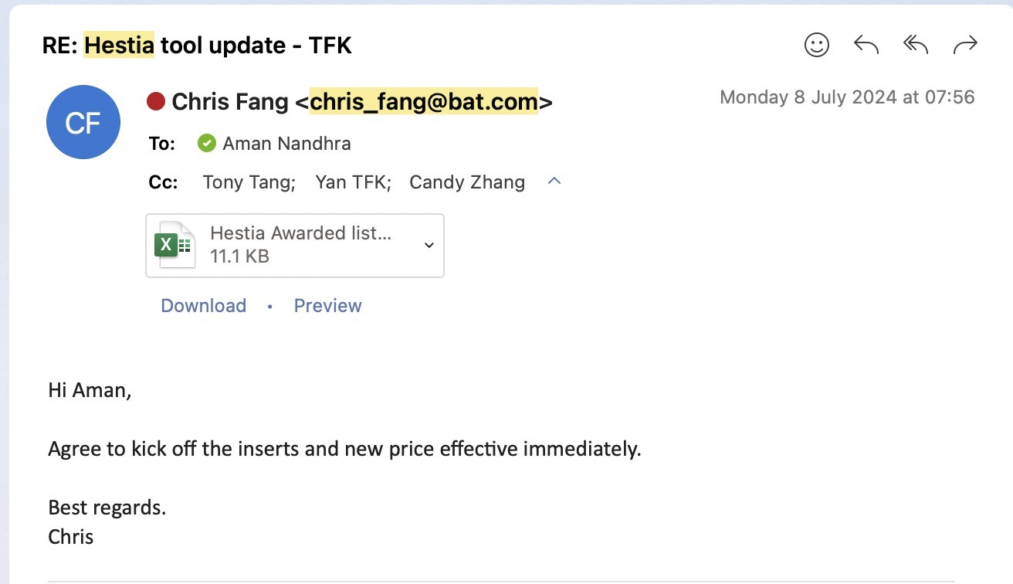
 | X3 Core | HP | BUTTON_RUBBER | 23480203002 | Tatfook | 2023 | 9 | POA | 2024-10-24 | 12 | 41,472 | 41,472 | 120,000 | Soft tool EC | Jun-23 | 3,500 | 1 | 7,350 | Chris | Approved | Yes
 | X3 Core | HP | Thimble_rubber | 23480203003 | Tatfook | 2023 | 9 | POA | 2024-10-24 | 16 | 55,296 | 55,296 | 160,000 | soft tool | Jun-23 | 12,000 | 1 | 12,000 | Chris | Approved | Yes
 | X3 Core | HP | Thimble_rubber | 23480203003 | Tatfook | 2023 | 9 | POA | 2024-10-24 | 16 | 55,296 | 55,296 | 160,000 | Soft tool EC | Jun-23 | 4,500 | 1 | 4,500 | Chris | Approved | Yes
 | X3 Pro | HP | GND_SPRING | 22150201016 | Tatfook | 2023 | 9 | POA | 2024-10-24 | 1 | 1,134,900 | 1,134,900 | 4,000,000 | Hard tool EC | Jun-23 | 12,000 | 1 | 12,000 | Chris | Approved | Yes
 | X3 Pro | HP | GND_SPRING_USB | 22150201018 | Tatfook | 2023 | 9 | POA | 2024-10-24 | 1 | 936,000 | 936,000 | 3,500,000 | Hard tool EC | Jun-23 | 10,000 | 1 | 10,000 | Chris | Approved | Yes
 |  |  |  |  |  |  |  |  |  |  |  | 0
 |  |  |  |  |  |  |  |  |  |  |  | 0
 |  |  |  |  |  |  |  |  |  |  |  | 0
 |  |  |  |  |  |  |  |  |  |  |  | 0
 |  |  |  |  |  |  |  |  |  |  |  | 0
 |  |  |  |  |  |  |  |  |  |  |  | 0
 |  |  |  |  |  |  |  |  |  |  |  | 0
 |  |  |  |  |  |  |  |  |  |  |  | 0

